Sheet1
Description | Catalogue Code | Characterisation of Body Contact | Materials | Manufacturing Methods | Additional Notes
Hmax Dual Offset Broach Handle | 9095.11.00X | The Hmax Dual Offset Broach Handle is used during Hip arthroplasty to aid in broaching the femoral canal. The distal end is inserted in the incision and comes in contact with bone and soft tissues, while the proximal end remains out of the incision wihtout any direct body contact. The Broach Handles are used less than an hour per surgery | 17-4 PH SS per RMS 01 Nitronic 60 per RMS 15 Rudolf Medical Oil Spray (RU 8880-00) | Machining Finishing Welding Peening Laser Marking Heat Treatment Cleaning Passivation |  | 
Enztec Femoral Impactor - TJO | 2109.00.000 | The Enztec Femoral Impactor is used during Total Knee Replacement surgery. The femoral component is loaded into the instrument and is then introduced to the resected femur. Once in the appropriate position, the device is impacted for final positioning. The Femoral Impactor is surgically invasive. It is not intended to directly interact with bone or soft tissue, however soft tissue and bone are likely to come in contact with the distal end of the device during insertion. The instrument is used for less than one hour per surgery. | 17-4 PH SS per RMS 01 420 SS per RMS 09 302 SS (Spring) 303 SS (Pin) Black Propylux HS per RMS 12 Silicone USP Class VI (O-Ring) Rudolf Medical Oil Spray (RU 8880-00) | Machining Heat Treatment Finishing Welding Peening Laser Marking Cleaning Passivation | It is noted that the 302SS and 303SS used in the Clamp aren’t per Enztec’s RMS, as the component parts made from 302SS and 303 SS are external components (dowel pin and spring) purchased from approved suppliers (PIC and Lee Springs). Similar components made from the same material from the same supplier are also used in the Enztec Femoral Impactor – TJO. The components have the same degree of patient contact in both instruments.
Enztec Premium Patella Saw Guide - 10mm | 4240-4310 | The Enztec Premium Patella Saw Guide is used during Total Knee Arthroplasty to guide a saw to resect the Patella. The Teeth at the distal end of the instrument and the stylus contact bone, the rest of the distal end of the instrument is likely to contact soft tissue, and the proximal end of the instrument is held by the user and should not contact the patient. The instrument is used for less than an hour per surgery. | 17-4 PH SS per RMS 01 Nitronic 60 per RMS 15 302 SS (Spring) 303 SS (Pin) 440 SS (Ball) 300 Series SS (Washer) Rudolf Medical Oil Spray (RU 8880-00) | Machining Heat Treatment Finishing Welding Peening Laser Marking Cleaning Passivation | 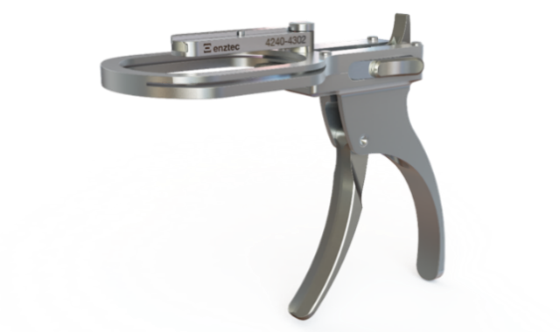
MBT Tibial Impactor Assembly | 950501558 | The MBT Tibial Impactor is used during Total Knee Replacement surgery. The tibial tray is loaded into the instrument and is then introduced to the resected tibia. Once in the appropriate position, the device is impacted for final positioning. The MBT Tibial Impactor is surgically invasive. It is not intended to directly interact with bone or soft tissue, however soft tissue and bone are likely to come in contact with the distal end of the device during insertion. The instrument is used for less than one hour per surgery. | 17-4 PH SS per RMS 01 Black Radel R5500 per RMS 12 Black Propylux HS per RMS 12 316 SS per RMS 04 | Machining Finishing Heat Treatment Welding Laser Marking Cleaning Passivation Propylux Thermal Attachment |  | 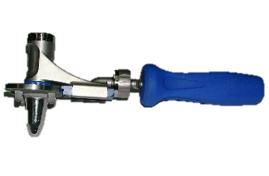
Cannulated Probe Assembly | 4210-5001 & 4210-5002 | The Cannulated Probe assembly is used during spine surgery. It is inserted through the skin to the intersection of the desired facet and transverse process of the spine. This is used to gain access to the pedicle of interest. The distal end contacts bone and soft tissue while the proximal end remains external from the patient. The Probe is used for up 3 to 4 minutes per use with around 10 uses surgery, depending on number of vertebrae being operated on. | 17-4 PH SS per RMS 01 455 SS per RMS 11 440B SS per RMS 10 AL-6061-T6 per RMS 13 303 SS per RMS 07 Silver Solder per RMS 16 Loctite 272 | Machining Anodising Finishing Soldering Laser Marking Heat Treatment Cleaning Passivation |  | 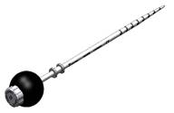
Star Drill & Star Drill Coupling Assembly | 5900-1100 | The Star Drill is used for capsule repair during Hip Arthroplasty. The coupling is connected to a drill and remains out of the incision without contacting the patient, and the drill bit is used to drill through bone and pass sutures through soft tissue. The Star Drill is used for less than one hour per surgery. | 17-4 PH SS per RMS 01 Silicone USP Class VI (O-Ring) 316LVM SS per RMS 05 Silver Solder per RMS 16 | Machining Finishing Soldering Laser Marking Heat Treatment Cleaning Passivation |  | 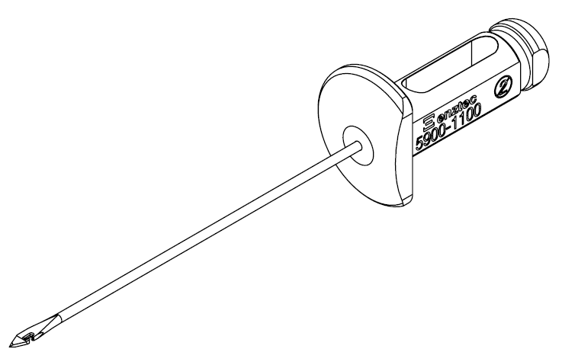
PolarCup Impactor | 351342512002 | The PolarCup Impactor is used during Total Hip Replacement surgery. The Acetabular Cup is attached to the instrument and then introduced in the reamed acetabulum. Once in the appropriate position, the device is impacted for final positioning. The PolarCup Impactor is surgically invasive. It is not intended to directly interact with bone or soft tissue, however soft tissue and bone are likely to come in contact with the distal end of the device during insertion. The instrument is used for less than one hour per surgery. | 17-4 PH SS per RMS 01 Nitronic 60 per RMS 15 Neodymium (Magnet) 302 SS (Spring) Orange Propylux HS per RMS 12 Silicone USP Class VI (O-Ring) Masterbond EP42HT-2MED Rudolf Medical Oil Spray (RU 8880-00) | Machining Heat Treatment Finishing Welding Laser Marking Cleaning Passivation |  | 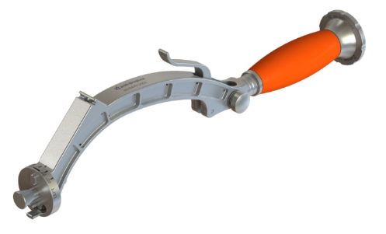
Drill Stop Assembly | 4108-1001 | The Drill Stop assembly is used to set a required drilling depth by being fitted over a drill bit. During use, the Drill Stop reaches the drilled surface (most likely bone), preventing over drilling, and so it directly interacts with bone and is likely to contact soft tissue. The instrument is used for less than one hour per surgery. | Ti6Al4V per RMS 14 420 SS per RMS 09 302 SS (Spring) Rudolf Medical Oil Spray (RU 8880-00) | Machining Heat Treatment Titanium Anodising Finishing Crimping Laser Marking Cleaning Passivation
Lima Retractor – Femoral Elevator (9095.10.563) | 9095.10.563 | The device is used during orthopeadic procedures to retract soft tissue in order to get good accessibility to the joint. The distal end gets in contact with soft tissue and, on some occasions, bone. They are used for less than 60 minutes per procedures. | 410 per RMS 08 | Machining Forming Heat Treatment Finishing Laser Marking Cleaning Passivation |  | 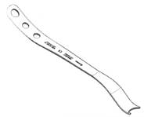
Offset Cup Impactor | MIH-004-00 | The Offset Cup Impactor is used during Total Hip Replacement surgery. The Acetabular Cup is attached to the instrument and then introduced in the reamed acetabulum. Once in the appropriate position, the device is impacted for final positioning. The Offset Cup Impactor is surgically invasive. It is not intended to directly interact with bone or soft tissue, however soft tissue and bone are likely to come in contact with the distal end of the device during insertion. The instrument is used for less than one hour per surgery. | 17-4 PH SS per RMS 01 440C SS per RMS 10 420 SS per RMS 09 302 SS (Spring) Blue Propylux HS per RMS 12 Silicone USP Class VI (O-Ring) | Machining Heat Treatment Finishing Laser Marking Cleaning Passivation |  | 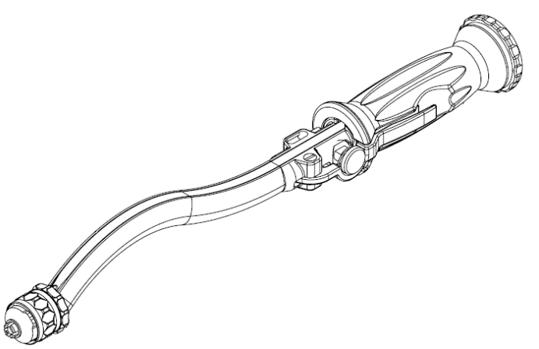
4.5mm ACL Bullet | 35130404 | The 4.5mm ACL Bullet is intended to be used by an orthopaedic surgeon to guide a drill during ACL repair surgeries. The Bullet is attached to a handle and placed against the Femur and/or Tibia, once the desired orientation is achieved a drill is guided through the bullet to create a tunnel in the Femur or the Tibia. The 4.5mm ACL Bullet is surgically invasive. It is intended to directly interact with bone but not soft tissue, however soft tissue is likely to come in contact with the distal end of the device during use. The instrument is used for less than one hour per surgery. | 17-4 PH SS per RMS 01 Titanium Nitride Coating | Machining Heat Treatment Finishing Laser Marking Cleaning Passivation |  | 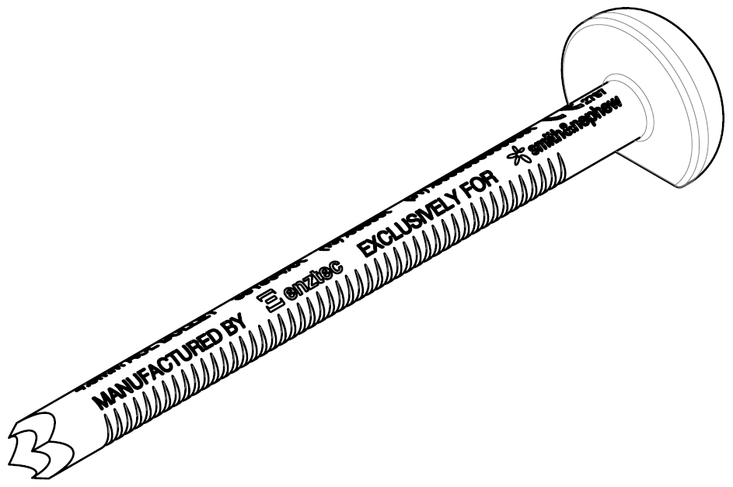
Enztec Offset Reamer Driver | 4250-7012 | The reamer driver is used during Hip Arthroplasty to ream the acetabulum, shaping it to allow for cup placement. The distal end is connected to a reamer and placed in the incision, however no contact is made with bone as it is the reamer that interfaces with the bone. However it is likely that the reamer driver itself will contact soft tissue surrounding the acetabulum during use. The proximal end is connected to a drill and remains away from the patient. The reamer driver is used for less than one hour total per surgery. | 17-4 PH SS per RMS 01 Nitronic 60 per RMS 15 Rudolf Medical Oil Spray (RU 8880-00) WC/C Lafer Coating | Machining Finishing Coating Welding Laser Marking Heat Treatment Cleaning Passivation | 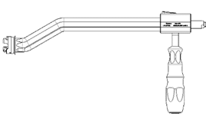
Navio Handle | 4240-0020 | The Navio Handle, attached to the Navio Handpiece, is used during hip or knee surgery. Guided by the Handle, the head of the Handpiece is inserted into the incision and used to map the surface of the bone then removed. While the Navio Handpiece is considered surgically invasive, the Handle is not intended to be inserted in the incision, however it may still contact soft tissue, as it is used close to the incision. The instrument is used for less than one hour per surgery. | 17-4 PH SS per RMS 01 AL-6061-T6 per RMS 13 Natural PEEK per RMS 12 RADEL R5500 per RMS 12 302 SS | Machining Anodising Heat Treatment Finishing Laser Marking Cleaning Passivation
STOP
^ please make sure this is at the end of the devices in the sheet :)
if you want to add more please add a row above

Femoral Impactor Assembly | 11004685 | The Femoral Impactor Assembly is used during total knee replacement surgery. The femoral component is loaded into the instrument and is then introduced to the resected femur. Once in the appropriate position, the device is impacted for final positioning. The Femoral Impactor is not intended to directly interact with bone or soft tissue, however soft tissue is likely to come in contact with the distal end of the device. The instrument is used for less than one hour per surgery. | 17-4 PH SS per RMS 01 Silicone USP Class VI (O-Ring) 302 SS 420 SS per RMS 09 Propylux HS per RMS 12 Rudolf Medical Oil Spray (RU 8880-00) | Machining Finishing Welding Laser Marking Heat Treatment Cleaning Passivation | Apart from the PEEK and Masterbond, which have undergone successful biocompatibility testing by the supplier, the materials of the | 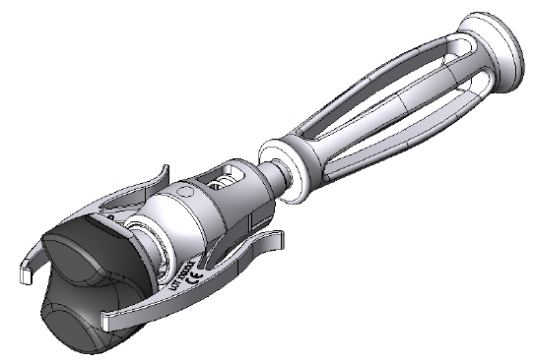
Adjustable Cutting Guide | AU-099 | The Adjustable Cutting Guide is used to guide a saw blade when making the tibial resection during a total knee arthroplasty procedure. It is placed directly on bone and likely to come in contact with soft tissue. The instrument is used for less than one hour per surgery | 17-4 PH SS per RMS 01 420 SS per RMS 09 Titanium Nitride Coating 303 SS Rudolf Medical Oil Spray (RU 8880-00) | Machining Heat Treatment Coating Finishing Welding Laser Marking Cleaning Passivation |  | 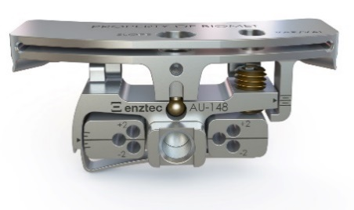

 |  |  |  | MBT impactor | Image for Cleaning section (to be updated on template in the future) ->

